Adams Street 31 March 22
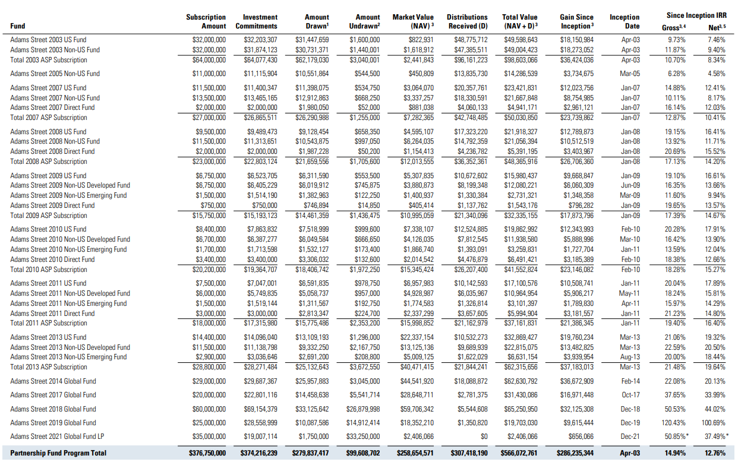
Adams Street Private Equity fund 31 March 2022

HarbourVest 31 March 22
